Sheet1
Twitter
data sharding

Detailed Component Design
Requirement
Capacity Estimation and Constraints
fault tolerance
cache
system is read-heavy
load balancing

functional
non-functional
Storage
Index
based on words
based on tweets
- users can search tweets based on title , tweetBody
- search query consists of multiple words combined with AND / OR
use index builder-servers and index server
use MemCached
between client and app server
between app server and backend server using round-robin approach
1- high uptime (availability)
2- highly reliable
3- min latency (up to 200ms)
System APIs

search (api_dev_key , inputText result_count, pageNumber, sortMode)
return JSON of tweets
store in mysql database with 2col table :
tweetId | tweetText
storing all hot tweets and use before application request to db
what about hot words
(like hot hashtags)
use hash table for index list of tweets with
key : searchText
value : listOfTweets
shared tweet objects
index-server : for storing keyValue between searchText and tweets
index-builder server : for storing keyValue between index-server and listofTweetIds inside indexServer

ranking

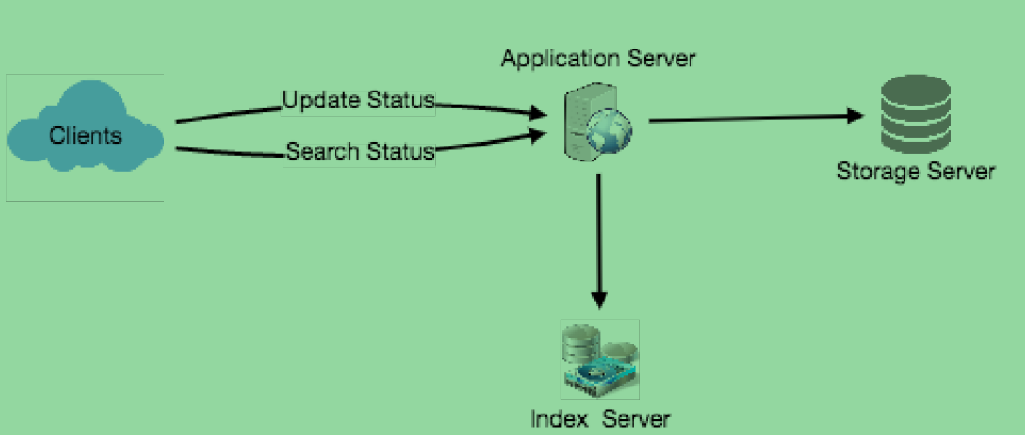
High Level Design
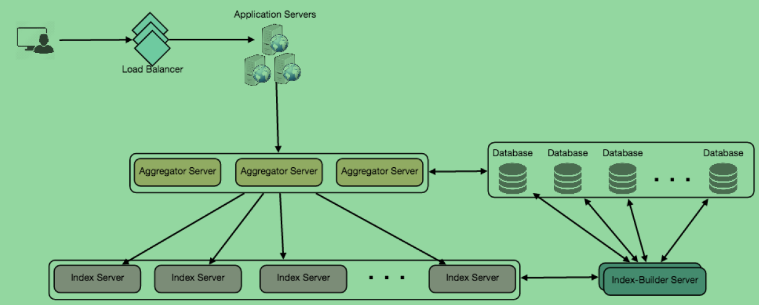

- based on popularity , date , follows, like , retweets and etc store in indexServer

